Indices

 | Iraq Stock Exchange
 | Bulletin No (103)
 | ISX Trading Indices of Monday 15/6/2026

 | Traded Volume and OTC |  | 829,873,669 |  | Traded Value and OTC |  | 1,410,248,969 |  | Traders | 1353

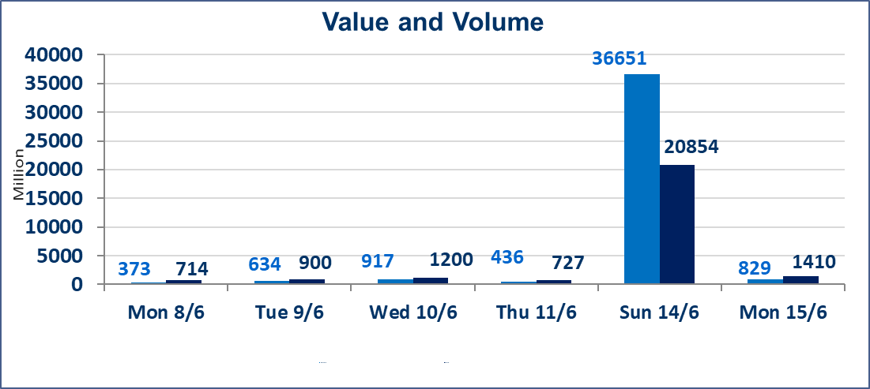
 | ISX Index 60 |  |  | 976.09 | ISX Index 15 |  |  | 1258.38
 | Previous ISX Index60 |  |  | 971.69 | Previous ISX Index15 |  |  | 1242.50
 | Change % |  |  | 0.45 | Change % |  |  | 1.28
 | Change |  |  | 4.40 | Change |  |  | 15.88

 | Listed Companies | 103 | OTC | 14 | Non Traded listed | 39 | OTC | 13
 | Traded Listed Companies | 47 | OTC | 1 | Higher Companies |  |  | 19
 | GAM Companies |  |  | 6 | Lower Companies |  |  | 16
 | Suspended Companies |  |  | 11
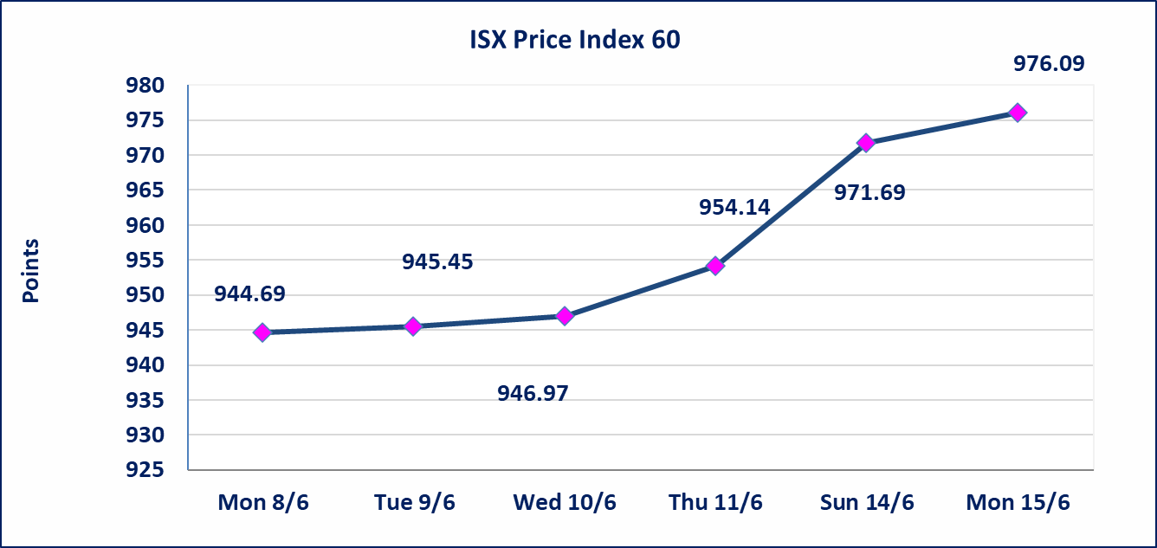
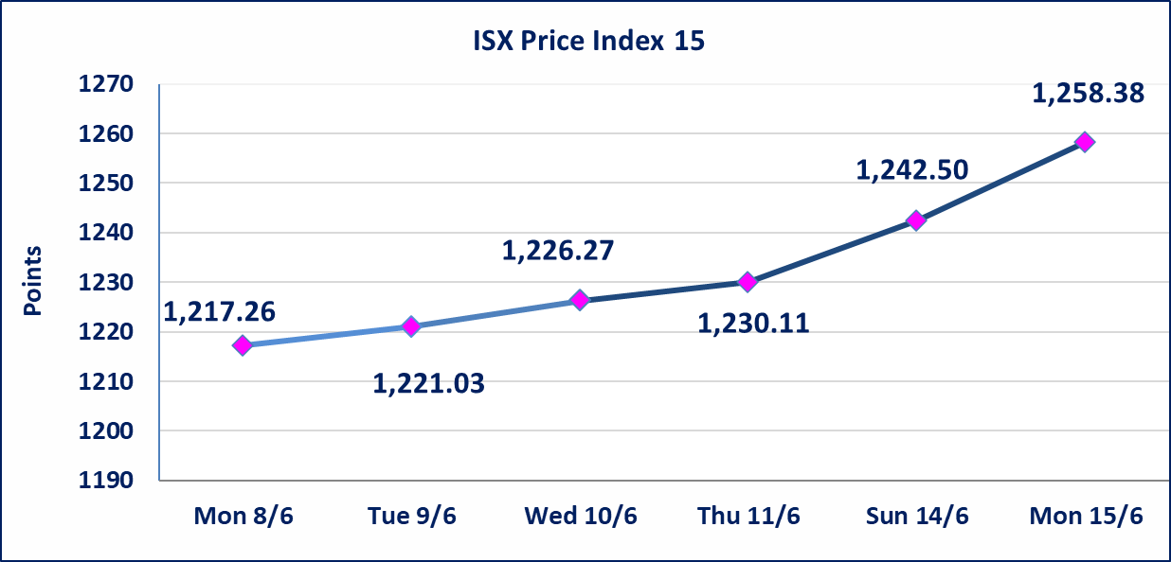

Al-Alwiya P.O . 3607 Mobile: 07711211522 - 07270094594 - 07834000034 E-mail: info-isx@isx-iq.net Web site:www.isx-iq.net

Top 5
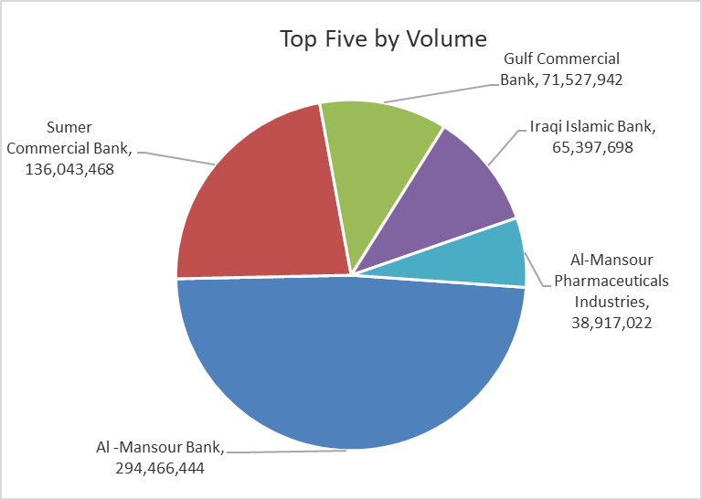
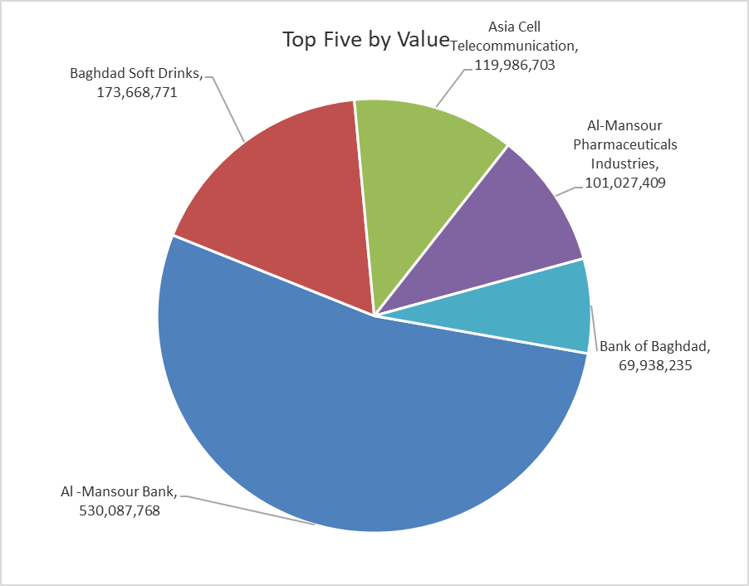

ISX top ganing and losing companies
Monday 15/6/2026
 | Gainers |  |  |  | Losers
 | Company Name | Closing Price | Change (%) | Traded Volume | Company Name | Closing Price | Change (%) | Traded Volume
 | Al-Taif Islamic Bank | 0.900 | 18.42 | 5,147,805 | Mansour Hotel | 62.000 | -8.82 | 77,456
 | Agricultural Products Meat | 5.250 | 11.70 | 147,972 | Kharkh Tour Amuzement City | 4.500 | -7.22 | 214,014
 | Al-Hilal Industries | 1.650 | 10.00 | 246,000 | Al-Khatam Telecom | 4.240 | -6.81 | 3,008,739
 | General Transportation | 1.600 | 6.67 | 87,551 | Sumer Commercial Bank | 0.190 | -5.00 | 136,043,468
 | Union Bank of Iraq | 0.170 | 6.25 | 1,000,000 | Electronic Industry | 1.530 | -4.37 | 996,112
 | The most active companies in term of traded volume and value

 | Traded Volume |  |  |  | Traded Value
 | Company Name | Closing Price | Change (%) | Traded Volume | Company Name | Closing Price | Change (%) | Traded Value
 | Al -Mansour Bank | 1.810 | 0.56 | 294,466,444 | Al -Mansour Bank | 1.810 | 0.56 | 530,087,768
 | Sumer Commercial Bank | 0.190 | -5.00 | 136,043,468 | Baghdad Soft Drinks | 6.640 | 3.75 | 173,668,771
 | Gulf Commercial Bank | 0.350 | 0.00 | 71,527,942 | Asia Cell Telecommunication | 16.800 | 1.39 | 119,986,703
 | Iraqi Islamic Bank | 1.070 | -1.83 | 65,397,698 | Al-Mansour Pharmaceuticals Industries | 2.650 | 2.71 | 101,027,409
 | Al-Mansour Pharmaceuticals Industries | 2.650 | 2.71 | 38,917,022 | Bank of Baghdad | 2.650 | 0.38 | 69,938,235

Non Iraqis

Iraq Stock Exchange
Non Iraqis' Bulletin Monday Jun 15 2026
Regular Market

Non Iraqi Trading of Regular Market (Buy)
Company Names | Code | No.of trades | Traded Shares | Trading Volume
Banks Sector
Al-Mansour Bank | BMNS | 11 | 94,084,328 | 169,650,059
Total Bank sector |  | 11 | 94,084,328 | 169,650,059
Grand Total |  | 11 | 94,084,328 | 169,650,059

Non Iraqi Trading of Regular Market (Sell)
Company Names | Code | No.of trades | Traded Shares | Trading Volume
Banks Sector
Commercial Bank of Iraq | BCOI | 7 | 5,644,637 | 3,725,460
Total Bank sector |  | 7 | 5,644,637 | 3,725,460
Telecommunication Sector
Al-Khatem Telecoms | TZNI | 3 | 2,698,096 | 12,276,337
Total Telecommunication sector |  | 3 | 2,698,096 | 12,276,337
Grand Total |  | 10 | 8,342,733 | 16,001,797

Not Trading Bonds

Iraq Stock Exchange
Monday 15/6/2026
Not Trading Bonds Bulletin
Bond type | Publish type | Code | last trading price | immortilize date
Banaa Bonds /Million ID | Second | CB20 | 964,981 | 19/12/2025
Eamar Bonds /Million ID | First | CB30 | 1,001,095 | ــــــــــــــــ
Eamar Bonds /Million ID | Second | CB40 | ــــــــــــــــ | ــــــــــــــــ
Eamar Bonds /500 Thousand ID | Third | CB45 | ــــــــــــــــ | ــــــــــــــــ
Eamar Bonds /Million ID | Third | CB50 | ــــــــــــــــ | ــــــــــــــــ
Injaz Bonds /500 Thousand ID | First | CB55 | ــــــــــــــــ | ــــــــــــــــ
Injaz Bonds /Million ID | First | CB60 | 951,110 | ــــــــــــــــ
Injaz Bonds /500 Thousand ID | Second | CB65 | 511,000
Injaz Bonds /Million ID | Second | CB70 | 965,050 | ــــــــــــــــ
Injaz Bonds /500 Thousand ID | Third | CB75 | ــــــــــــــــ | ــــــــــــــــ
Injaz Bonds /Million ID | Third | CB80 | 978,182 | ــــــــــــــــ
National Bonds/Million ID | First | CB90 | ــــــــــــــــ | ــــــــــــــــ
National Bonds/500 Thousand ID | Second | CB95 | ــــــــــــــــ | ــــــــــــــــ
National Bonds/Million ID | Second | CB100 | ــــــــــــــــ | ــــــــــــــــ

